Hair Bundles
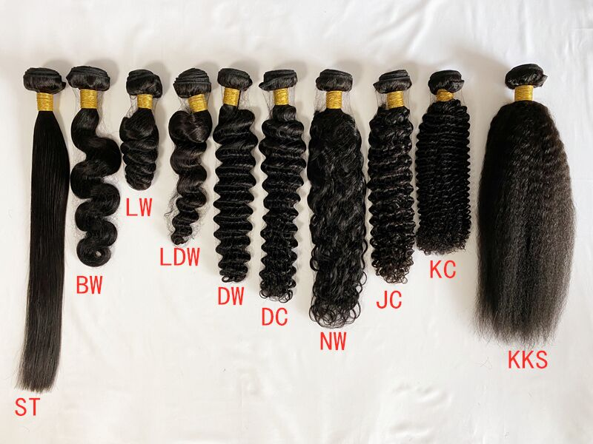
SISDORE HAIR Wholesale Price List |  |  |  |  |  |  | www.sisdore.com |  |  |  | Email: info@sisdore.com | Whatsapp: +8615621101652
H a i r B u n d l e s |  |  |  |  |  |  |  |  |  |  |  |  | Curly Fee (100g Per Bundle): ST: +0 / BW: +$2 DW/LW/LDW/NW: +$4 DC/KC/JC/YAKI: +$5 4B/4C/AFRO/KKS: +$6 Popular Textures: Straight/ Body Wave/ Deep Wave/ Water Wave/ Loose Wave/ Kinky Curly/ Kinky Straight Customized curls are available!(Send us pictures)
Length | Natural Color |  |  |  |  |  | #613
 | Burmese Hair |  |  | Chinese Hair |  |  | burmese Hair |  |  | chinese hair
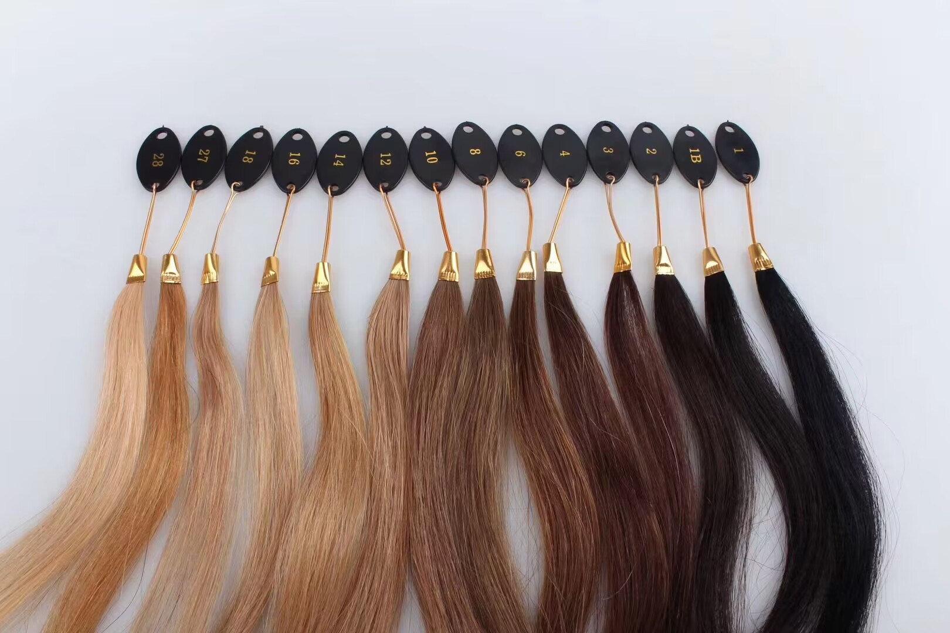
 | 9A | 10A | Double Drawn | 9A | 10A | Double Drawn | 9A #613 | 10A #613 | 8A #1B/613 | 9A #613 | 10A #613
12" | $25 | $29 | $36 | $30 | $35 | $38 | $23 | $40 | $26 | $36 | $43
14" | $28 | $32 | $43 | $36 | $40 | $47 | $27 | $45 | $30 | $39 | $48 |  | Custom Color Fee: 2 Tone(1B/X):+$3 2 Tone(X/X):+$8 3 Tone(X/X/X):+$10 Highlight Color / Piano Color (1 Color Like #1B/27:+$3, 2 Colors Like #4/27, #8/613:+$10) you can send us pictures to confirm the hair color but the similarity we guaranteed is about 70-80%. We will try our best to make it as similar as possible. If it is unacceptable, please place an order with caution!
16" | $32 | $36 | $48 | $40 | $46 | $53 | $33 | $53 | $36 | $46 | $56
18" | $35 | $39 | $53 | $46 | $53 | $60 | $35 | $61 | $38 | $60 | $70
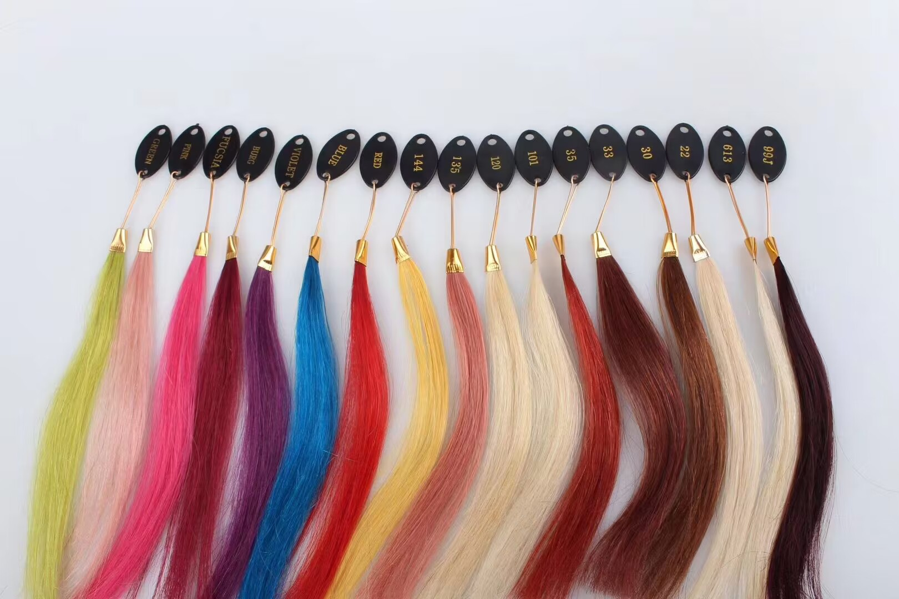
20" | $38 | $44 | $59 | $52 | $60 | $68 | $45 | $70 | $48 | $77 | $90
22" | $43 | $50 | $71 | $62 | $67 | $80 | $55 | $80 | $58 | $85 | $108
24" | $50 | $55 | $87 | $67 | $73 | $93 | $62 | $88 | $65 | $107 | $130
26" | $54 | $60 | $99 | $75 | $80 | $111 | $70 | $96 | $73 | $113 | $133
28" | $57 | $64 | $107 | $83 | $90 | $122 | $77 | $107 | $80 | $123 | $139
30" | $61 | $69 | $114 | $87 | $96 | $130 | $82 | $114 | $85 | $129 | $157

Wigs
SISDORE HAIR Wholesale Price List |  |  |  |  |  |  |  | www.sisdore.com |  |  | Email: info@sisdore.com |  |  |  |  | Whatsapp: +8615621101652
Natural Color Human Hair Wigs [burmese Hair] |  |  |  |  |  |  |  |  |  | #613 Human Hair Wigs [burmese Hair]
Transparent Lace |  |  |  |  | HD Lace |  |  |  |  | Transparent lace
4x4 Closure Wig |  |  |  |  | 4x4 HD Closure Wig |  |  |  |  | #613 13x4 Lace Front Wig |  |  |  |  | #613 13x6 Lace Front Wig
Length | 150% Density | Weight | 180% Density | Weight | Length | 150% Density | Weight | 180% Density | Weight | Length | 150% Density | 180% Density | 200% Density |  | Length | 150% Density | 180% Density | 200% Density
12" | $90 | 150g | $95 | 180g | 12" | $95 | 150g | $100 | 180g | 12" | $101 | $105 | $110 |  | 12" | $105 | $109 | $115
14" | $98 | 170g | $105 | 200g | 14" | $103 | 170g | $109 | 200g | 14" | $112 | $117 | $123 |  | 14" | $117 | $122 | $128
16" | $108 | 190g | $115 | 220g | 16" | $113 | 190g | $120 | 220g | 16" | $122 | $128 | $135 |  | 16" | $131 | $136 | $143
18" | $120 | 210g | $128 | 240g | 18" | $125 | 210g | $132 | 240g | 18" | $135 | $142 | $150 |  | 18" | $148 | $154 | $162
20" | $137 | 230g | $146 | 260g | 20" | $142 | 230g | $151 | 260g | 20" | $155 | $162 | $172 |  | 20" | $166 | $173 | $183
22" | $150 | 240g | $160 | 270g | 22" | $154 | 240g | $165 | 270g | 22" | $176 | $184 | $196 |  | 22" | $188 | $195 | $208
24" | $166 | 250g | $179 | 280g | 24" | $171 | 250g | $183 | 280g | 24" | $188 | $196 | $210 |  | 24" | $220 | $228 | $242
26" | $182 | 270g | $196 | 300g | 26" | $186 | 270g | $200 | 300g | 26" | $202 | $211 | $226 |  | 26" | $234 | $243 | $258
28" | $196 | 280g | $212 | 310g | 28" | $201 | 280g | $216 | 310g | 28" | $218 | $228 | $245 |  | 28" | $245 | $255 | $272
30" | $218 | 300g | $235 | 330g | 30" | $222 | 300g | $239 | 330g | 30" | $234 | $245 | $263 |  | 30" | $261 | $272 | $290

5x5 Closure Wig |  |  |  |  | 5x5 HD Closure Wig |  |  |  |  | #613 360 Lace Wig |  |  |  |  | We also have V /U Part Wigs, Head Band Wigs, chinese hair wigs (Best quality) we will need the precise hair length, density and color to calculate the price!
Length | 150% Density | Weight | 180% Density | Weight | Length | 150% Density | Weight | 180% Density | Weight | Length | 150% Density | 180% Density
12" | $94 | 150g | $99 | 180g | 12" | $101 | 150g | $106 | 180g | 12" | $112 | $115
14" | $103 | 170g | $109 | 200g | 14" | $110 | 170g | $116 | 200g | 14" | $122 | $127
16" | $113 | 190g | $120 | 220g | 16" | $120 | 190g | $127 | 220g | 16" | $135 | $141
18" | $127 | 210g | $135 | 240g | 18" | $134 | 210g | $142 | 240g | 18" | $152 | $158
20" | $146 | 230g | $155 | 260g | 20" | $153 | 230g | $162 | 260g | 20" | $173 | $180
22" | $159 | 240g | $170 | 270g | 22" | $166 | 240g | $176 | 270g | 22" | $199 | $207
24" | $176 | 250g | $188 | 280g | 24" | $183 | 250g | $195 | 280g | 24" | $219 | $228
26" | $191 | 270g | $205 | 300g | 26" | $198 | 270g | $212 | 300g | 26" | $235 | $245
28" | $205 | 280g | $221 | 310g | 28" | $212 | 280g | $228 | 310g
30" | $227 | 300g | $244 | 330g | 30" | $234 | 300g | $251 | 330g |  |  | Customized Wigs

13x4 Frontal Wig |  |  |  |  | 13x4 HD Frontal Wig |  |  |  |  |  |  | Color Fee |  |  | #613 Wigs Weight Chart
Length | 150% Density | Weight | 180% Density | Weight | Length | 150% Density | Weight | 180% Density | Weight |  |  | Color | Price |  | Length | 130% Density | 150% Density | 180% Density
12" | $96 | 150g | $102 | 180g | 12" | $109 | 150g | $113 | 180g |  |  | Single Color | $10 |  | 12" | 140g | 150g | 170g
14" | $105 | 170g | $111 | 200g | 14" | $116 | 170g | $121 | 200g |  |  | 2 Tone | $15 |  | 14" | 150g | 170g | 190g
16" | $115 | 190g | $123 | 220g | 16" | $125 | 190g | $132 | 220g |  |  | 3 Tone | $25 |  | 16" | 160g | 190g | 210g
18" | $130 | 210g | $139 | 240g | 18" | $139 | 210g | $146 | 240g |  |  | Highlights | $15 |  | 18" | 175g | 205g | 225g
20" | $143 | 230g | $154 | 260g | 20" | $152 | 230g | $159 | 260g |  |  | Piano Color | $15 |  | 20" | 185g | 220g | 240g
22" | $162 | 240g | $174 | 270g | 22" | $169 | 240g | $177 | 270g |  |  | Dark and Medium Color can be dyed or bleached by natural color hair(Like #1 #2 #4 #6 #8 #27 #99j #30 #33), Light color hair will need #613 hair to dye (Like #22 #24 Light Red Green Pink Silver etc.) |  |  | 22" | 195g | 235g | 255g
24" | $188 | 250g | $202 | 280g | 24" | $194 | 250g | $204 | 280g |  |  |  |  |  | 24" | 215g | 250g | 270g
26" | $205 | 270g | $221 | 300g | 26" | $212 | 270g | $222 | 300g |  |  |  |  |  | 26" | 240g | 265g | 285g
28" | $218 | 280g | $233 | 310g | 28" | $224 | 280g | $234 | 310g |  |  |  |  |  | 28" | 260g | 280g | 300g
30" | $239 | 300g | $256 | 330g | 30" | $245 | 300g | $255 | 330g |  |  |  |  |  | 30" | 280g | 295g | 315g
 |  |  |  |  |  |  |  |  |  |  |  |  |  | 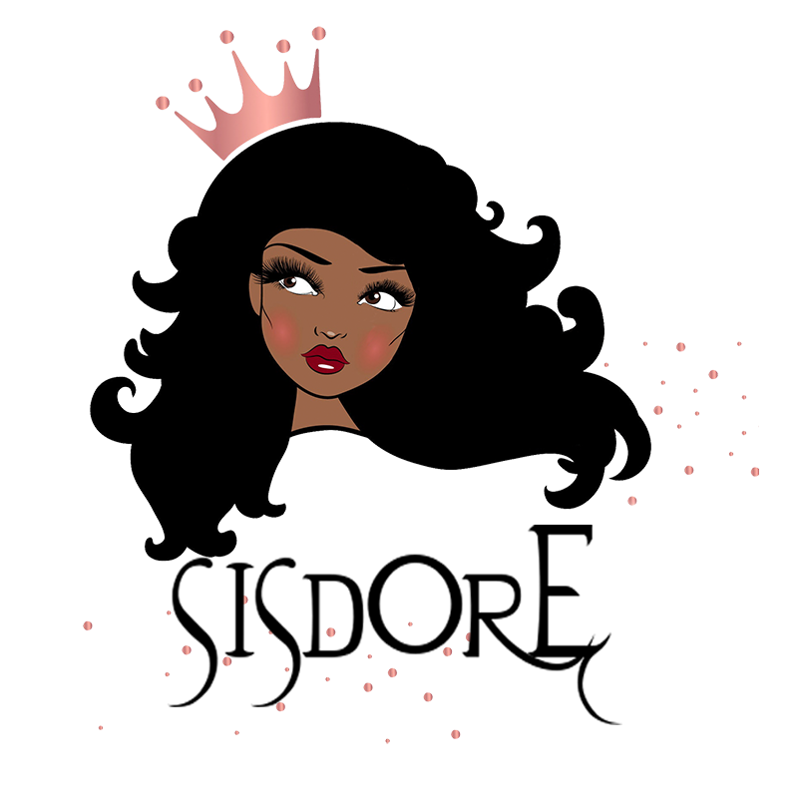
13x6 Frontal Wig |  |  |  |  | 13x6 HD Frontal Wig
Length | 150% Density | Weight | 180% Density | Weight | Length | 150% Density | Weight | 180% Density | Weight
12" | $107 | 150g | $113 | 180g | 12" | $118 | 150g | $124 | 180g |  |  | Curly Fee
14" | $127 | 170g | $124 | 200g | 14" | $128 | 170g | $135 | 200g |  |  | Curls | Price
16" | $131 | 190g | $137 | 220g | 16" | $142 | 190g | $148 | 220g |  |  | ST /BW | $0
18" | $143 | 210g | $151 | 240g | 18" | $154 | 210g | $162 | 240g |  |  | DW/LW | $5
20" | $157 | 230g | $166 | 260g | 20" | $168 | 230g | $177 | 260g |  |  | DC(CURLY) | $6
22" | $174 | 240g | $184 | 270g | 22" | $185 | 240g | $195 | 270g |  |  | WW | $6
24" | $198 | 250g | $211 | 280g | 24" | $209 | 250g | $222 | 280g |  |  | NW | $5
26" | $212 | 270g | $227 | 300g | 26" | $223 | 270g | $238 | 300g |  |  | JC | $8
28" | $226 | 280g | $241 | 310g | 28" | $237 | 280g | $252 | 310g |  |  | KC | $8
30" | $247 | 300g | $264 | 330g | 30" | $258 | 300g | $275 | 330g |  |  | KS | $10
 |  |  |  |  |  |  |  |  |  |  |  | YK | $8
360 Lace Wig |  |  |  |  | 360 HD Lace Wig
Length | 150% Density | Weight | 180% Density | Weight | Length | 150% Density | Weight | 180% Density | Weight
12" | $105 |  | $109 |  | 12" | $125 |  | $129
14" | $108 |  | $113 |  | 14" | $128 |  | $133
16" | $123 |  | $128 |  | 16" | $143 |  | $148
18" | $134 |  | $140 |  | 18" | $154 |  | $160
20" | $147 |  | $154 |  | 20" | $167 |  | $174
22" | $172 |  | $179 |  | 22" | $192 |  | $199
24" | $200 |  | $208 |  | 24" | $220 |  | $228
26" | $223 |  | $232 |  | 26" | $243 |  | $253

Full Lace Wig (Transparent Lace) |  |  |  |  | Full Lace Wig (HD Lace)
Length | 150% Density | Weight | 180% Density | Weight | Length | 150% Density | Weight | 180% Density | Weight
12" | $116 |  |  |  | 12" | $151
14" | $131 |  |  |  | 14" | $157
16" | $146 |  |  |  | 16" | $172
18" | $165 |  |  |  | 18" | $191
20" | $182 |  |  |  | 20" | $208
22" | $200 |  |  |  | 22" | $231
24" | $223 |  |  |  | 24" | $258

4*4 Silk Base Full Lace Wig
Length | 130% Density | 150% | 180% Density
10" | $135 | $148 | $160
12" | $142 | $154 | $166
14" | $153 | $171 | $182
16" | $171 | $188 | $198
18" | $188 | $205 | $215
20" | $206 | $226 | $237
22" | $232 | $252 | $263
24" | $260 | $280 | $291

