Hair Bundles
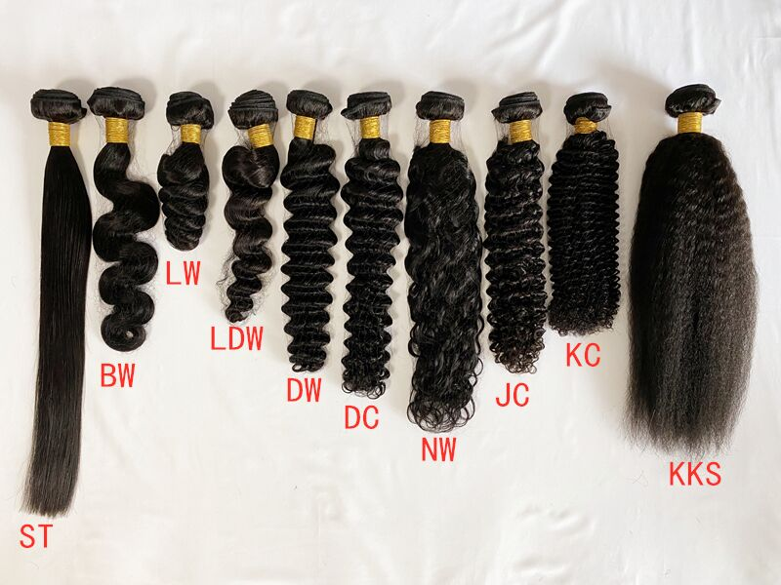
SISDORE HAIR Wholesale Price List |  |  |  |  |  |  | www.sisdore.com |  |  |  | Email: info@sisdore.com | Whatsapp: +8615621101652
H a i r B u n d l e s |  |  |  |  |  |  |  |  |  |  |  |  | Curly Fee (100g Per Bundle): ST: +0 / BW: +$2 DW/LW/LDW/NW: +$4 DC/KC/JC/YAKI: +$5 4B/4C/AFRO/KKS: +$6 Popular Textures: Straight/ Body Wave/ Deep Wave/ Water Wave/ Loose Wave/ Kinky Curly/ Kinky Straight Customized curls are available!(Send us pictures)
Length | Natural Color |  |  |  |  |  | #613
 | Brazilian Hair |  |  | Malaysian Hair |  |  | Brazilian Hair |  |  | Malaysian Hair
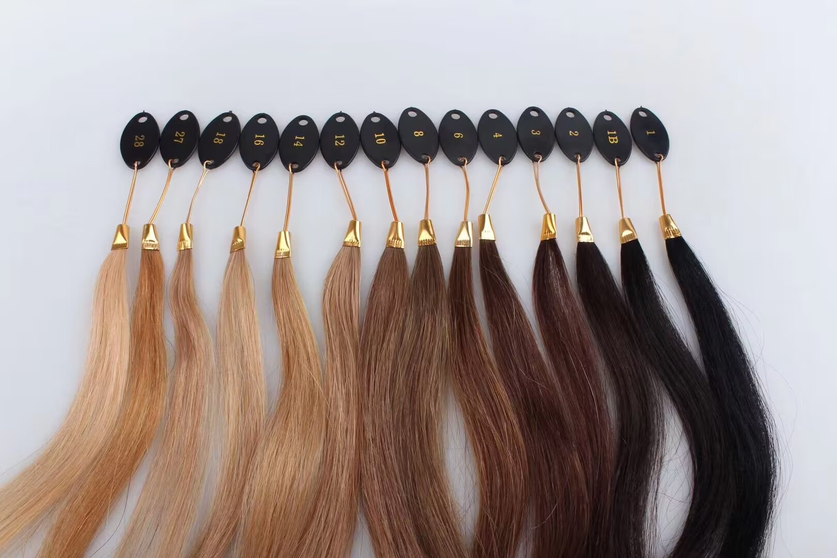
 | 9A | 10A | Double Drawn | 9A | 10A | Double Drawn | 8A #613 | 10A #613 | 8A #1B/613 | 9A #613 | 10A #613
12" | $25 | $29 | $32 | $28 | $30 | $34 | $23 | $32 | $26 | $34 | $38
14" | $28 | $32 | $39 | $33 | $36 | $42 | $26 | $39 | $29 | $36 | $41 |  | Custom Color Fee: 2 Tone(1B/X):+$3 2 Tone(X/X):+$8 3 Tone(X/X/X):+$10 Highlight Color / Piano Color (1 Color Like #1B/27:+$3, 2 Colors Like #4/27, #8/613:+$10) you can send us pictures to confirm the hair color but the similarity we guaranteed is about 70-80%. We will try our best to make it as similar as possible. If it is unacceptable, please place an order with caution!
16" | $32 | $36 | $44 | $37 | $42 | $48 | $29 | $46 | $32 | $43 | $51
18" | $34 | $39 | $48 | $42 | $47 | $55 | $34 | $52 | $37 | $57 | $65
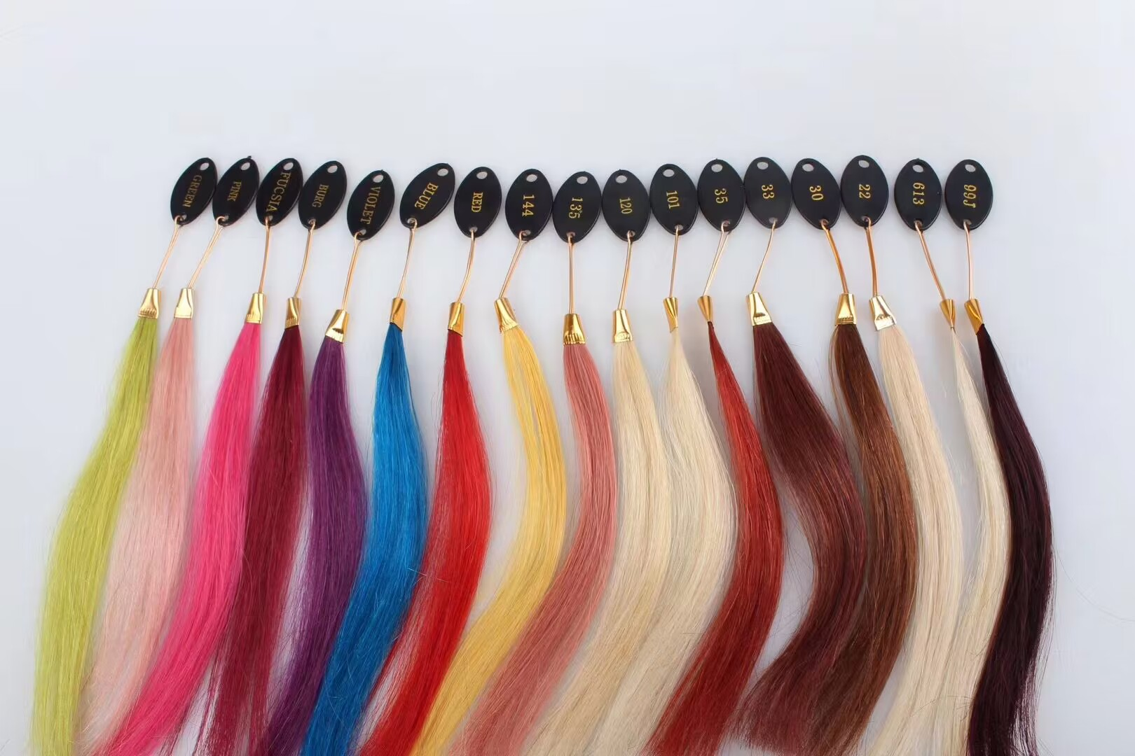
20" | $38 | $44 | $54 | $45 | $52 | $62 | $40 | $56 | $43 | $72 | $84
22" | $42 | $48 | $65 | $50 | $56 | $74 | $45 | $65 | $48 | $79 | $101
24" | $46 | $52 | $79 | $53 | $60 | $85 | $49 | $74 | $52 | $99 | $121
26" | $54 | $59 | $91 | $55 | $66 | $102 | $54 | $84 | $57 | $106 | $124
28" | $56 | $64 | $98 | $58 | $72 | $112 | $58 | $98 | $61 | $115 | $129
30" | $59 | $69 | $105 | $63 | $76 | $119 | $63 | $112 | $66 | $120 | $146

Lace Closure & Frontal
SISDORE HAIR Wholesale Price List |  |  |  |  |  |  |  |  | www.sisdore.com |  |  |  | Email: info@sisdore.com |  |  |  | Whatsapp: +8615621101652
Lace Closure & Frontal |  |  |  |  |  |  |  |  |  |  |  |  |  |  |  |  |  |  | Curly Fee (Per Piece): ST: +0 / BW: +$2 DW/LW/LDW/NW: +$4 DC/KC/JC/YAKI: +$5 4B/4C/AFRO/KKS: +$6 Popular Textures: Straight/ Body Wave/ Deep Wave/ Water Wave/ Loose Wave/ Kinky Curly/ Kinky Straight Customized curls are available! (Send us pictures)
Hair Type | Brazilian hair (Transparent lace) |  |  |  |  |  |  |  |  |  |  | Hair Type | Malaysian Hair (HD LACE)
Color | Natural Color |  |  |  |  |  | #613 |  |  |  |  | Color | Natural Color |  |  | #613
Length | 4*4 | 5*5 | 6*6 | 7*7 | 13*4 | 13*6 | Length | 4*4 | 5*5 | 13*4 | 13*6 | Length | 4*4 | 5*5 | 13*4 | 4*4 | 5*5 | 13*4
12" | $24 | $29 | $38 | $41 | $36 | $46 | 12" | $32 | $38 | $51 | $59 | 12" | $27 | $34 | $47 | $30 | $39 | $56
14" | $26 | $31 | $41 | $47 | $40 | $49 | 14" | $34 | $42 | $56 | $67 | 14" | $29 | $38 | $51 | $33 | $43 | $61
16" | $28 | $34 | $45 | $53 | $44 | $54 | 16" | $37 | $48 | $66 | $75 | 16" | $32 | $44 | $54 | $36 | $49 | $64
18" | $29 | $37 | $49 | $59 | $49 | $61 | 18" | $39 | $52 | $73 | $84 | 18" | $35 | $48 | $64 | $39 | $53 | $74
20" | $32 | $41 | $55 | $64 | $56 | $67 | 20" | $42 | $57 | $79 | $93 | 20" | $38 | $52 | $67 | $42 | $57 | $76 | Custom Color Fee: 2 Tone(1B/X):+$3 2 Tone(X/X):+$8 3 Tone(X/X/X):+$10 Highlight Color / Piano Color (1 Color Like #1B/27:+$3, 2 Colors Like #4/27, #8/613:+$10) You can send us pictures to confirm the hair color but the similarity we guaranteed is about 70-80%. We will try our best to make it as similar as possible. If it is unacceptable, please place an order with caution!
 |  |  |  |  |  |  |  |  |  |  |  | 22" | $42 | $57 | $71 | $45 | $62 | $81
Hair Type | Brazilian hair (HD LACE)
Color | Natural Color |  |  |  |  |  |  | #613 |  |  |  | 360 Lace Frontal |  |  |  |  | 
Length | 2*6 | 4*4 | 5*5 | 6*6 | 7*7 | 13*4 | 13*4 | 4*4 | 5*5 | 13*4 | 13*6 | Color | Natural Color |  |  | #613
12" | $27 | $28 | $35 | $45 | $47 | $47 | $59 | $32 | $38 | $51 | $59 | Length | Transparent |  | HD Lace
14" | $29 | $30 | $38 | $48 | $54 | $51 | $62 | $34 | $42 | $56 | $67 | 14" | $54 |  | $74 | $72
16" | $31 | $32 | $41 | $52 | $61 | $57 | $66 | $37 | $48 | $66 | $75 | 16" | $59 |  | $78 | $78
18" | $33 | $34 | $44 | $57 | $69 | $61 | $74 | $39 | $52 | $73 | $84 | 18" | $62 |  | $81 | $84
20" | $35 | $37 | $47 | $62 | $74 | $67 | $80 | $42 | $57 | $79 | $93 | 20" | $68 |  | $86 | $89

Wigs
SISDORE HAIR Wholesale Price List |  |  |  |  |  |  |  | www.sisdore.com |  |  | Email: info@sisdore.com |  |  |  |  | Whatsapp: +8615621101652
Natural Color Human Hair Wigs [Brazilian Hair] |  |  |  |  |  |  |  |  |  | #613 Human Hair Wigs [Brazilian Hair]
Transparent Lace |  |  |  |  | HD Lace |  |  |  |  | Transparent lace
4x4 Closure Wig |  |  |  |  | 4x4 HD Closure Wig |  |  |  |  | #613 13x4 Lace Front Wig |  |  |  |  | #613 13x6 Lace Front Wig
Length | 150% Density | Weight | 180% Density | Weight | Length | 150% Density | Weight | 180% Density | Weight | Length | 150% Density | 180% Density | 200% Density |  | Length | 150% Density | 180% Density | 200% Density
12" | $69 | 150g | $74 | 180g | 12" | $74 | 150g | $79 | 180g | 12" | $79 | $83 | $88 |  | 12" | $84 | $87 | $92
14" | $77 | 170g | $83 | 200g | 14" | $81 | 170g | $87 | 200g | 14" | $90 | $94 | $100 |  | 14" | $94 | $99 | $104
16" | $86 | 190g | $93 | 220g | 16" | $91 | 190g | $97 | 220g | 16" | $99 | $104 | $111 |  | 16" | $107 | $112 | $119
18" | $97 | 210g | $104 | 240g | 18" | $101 | 210g | $109 | 240g | 18" | $111 | $117 | $125 |  | 18" | $123 | $129 | $136
20" | $113 | 230g | $121 | 260g | 20" | $117 | 230g | $126 | 260g | 20" | $130 | $136 | $146 |  | 20" | $140 | $146 | $156
22" | $125 | 240g | $135 | 270g | 22" | $129 | 240g | $139 | 270g | 22" | $149 | $156 | $168 |  | 22" | $160 | $167 | $179
24" | $140 | 250g | $152 | 280g | 24" | $145 | 250g | $156 | 280g | 24" | $160 | $168 | $181 |  | 24" | $190 | $198 | $211
26" | $155 | 270g | $167 | 300g | 26" | $159 | 270g | $172 | 300g | 26" | $173 | $181 | $196 |  | 26" | $203 | $211 | $226
28" | $168 | 280g | $182 | 310g | 28" | $172 | 280g | $186 | 310g | 28" | $189 | $198 | $214 |  | 28" | $214 | $223 | $239
30" | $188 | 300g | $204 | 330g | 30" | $192 | 300g | $208 | 330g | 30" | $203 | $213 | $230 |  | 30" | $228 | $238 | $255

5x5 Closure Wig |  |  |  |  | 5x5 HD Closure Wig |  |  |  |  | #613 360 Lace Wig |  |  |  |  | We also have V /U Part Wigs, Head Band Wigs, Malaysian hair wigs (Best quality) we will need the precise hair length, density and color to calculate the price!
Length | 150% Density | Weight | 180% Density | Weight | Length | 150% Density | Weight | 180% Density | Weight | Length | 150% Density | 180% Density
12" | $73 | 150g | $78 | 180g | 12" | $79 | 150g | $84 | 180g | 12" | $89 | $93
14" | $81 | 170g | $87 | 200g | 14" | $88 | 170g | $94 | 200g | 14" | $99 | $104
16" | $91 | 190g | $97 | 220g | 16" | $97 | 190g | $104 | 220g | 16" | $111 | $116
18" | $104 | 210g | $111 | 240g | 18" | $110 | 210g | $117 | 240g | 18" | $127 | $133
20" | $121 | 230g | $130 | 260g | 20" | $128 | 230g | $136 | 260g | 20" | $146 | $153
22" | $133 | 240g | $143 | 270g | 22" | $140 | 240g | $150 | 270g | 22" | $171 | $178
24" | $149 | 250g | $160 | 280g | 24" | $155 | 250g | $167 | 280g | 24" | $189 | $197
26" | $163 | 270g | $176 | 300g | 26" | $170 | 270g | $182 | 300g | 26" | $204 | $213
28" | $176 | 280g | $191 | 310g | 28" | $183 | 280g | $197 | 310g
30" | $196 | 300g | $212 | 330g | 30" | $203 | 300g | $219 | 330g |  |  | Customized Wigs

13x4 Frontal Wig |  |  |  |  | 13x4 HD Frontal Wig |  |  |  |  |  |  | Color Fee |  |  | #613 Wigs Weight Chart
Length | 150% Density | Weight | 180% Density | Weight | Length | 150% Density | Weight | 180% Density | Weight |  |  | Color | Price |  | Length | 130% Density | 150% Density | 180% Density
12" | $77 | 150g | $82 | 180g | 12" | $88 | 150g | $93 | 180g |  |  | Single Color | $10 |  | 12" | 140g | 150g | 170g
14" | $86 | 170g | $91 | 200g | 14" | $97 | 170g | $103 | 200g |  |  | 2 Tone | $15 |  | 14" | 150g | 170g | 190g
16" | $97 | 190g | $103 | 220g | 16" | $108 | 190g | $114 | 220g |  |  | 3 Tone | $25 |  | 16" | 160g | 190g | 210g
18" | $111 | 210g | $118 | 240g | 18" | $122 | 210g | $129 | 240g |  |  | Highlights | $15 |  | 18" | 175g | 205g | 225g
20" | $126 | 230g | $135 | 260g | 20" | $138 | 230g | $146 | 260g |  |  | Piano Color | $15 |  | 20" | 185g | 220g | 240g
22" | $137 | 240g | $147 | 270g | 22" | $148 | 240g | $158 | 270g |  |  | Dark and Medium Color can be dyed or bleached by natural color hair(Like #1 #2 #4 #6 #8 #27 #99j #30 #33), Light color hair will need #613 hair to dye (Like #22 #24 Light Red Green Pink Silver etc.) |  |  | 22" | 195g | 235g | 255g
24" | $154 | 250g | $166 | 280g | 24" | $166 | 250g | $177 | 280g |  |  |  |  |  | 24" | 215g | 250g | 270g
26" | $169 | 270g | $182 | 300g | 26" | $180 | 270g | $193 | 300g |  |  |  |  |  | 26" | 240g | 265g | 285g
28" | $181 | 280g | $195 | 310g | 28" | $192 | 280g | $207 | 310g |  |  |  |  |  | 28" | 260g | 280g | 300g
30" | $200 | 300g | $216 | 330g | 30" | $211 | 300g | $227 | 330g |  |  |  |  |  | 30" | 280g | 295g | 315g
 |  |  |  |  |  |  |  |  |  |  |  |  |  | 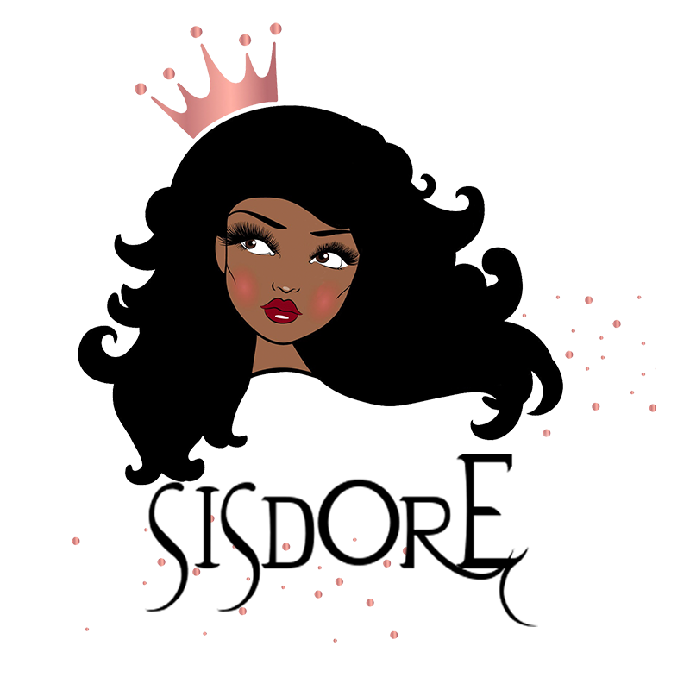
13x6 Frontal Wig |  |  |  |  | 13x6 HD Frontal Wig
Length | 150% Density | Weight | 180% Density | Weight | Length | 150% Density | Weight | 180% Density | Weight
12" | $85 | 150g | $90 | 180g | 12" | $98 | 150g | $103 | 180g |  |  | Curly Fee
14" | $93 | 170g | $99 | 200g | 14" | $106 | 170g | $112 | 200g |  |  | Curls | Price
16" | $104 | 190g | $110 | 220g | 16" | $117 | 190g | $123 | 220g |  |  | ST /BW | $0
18" | $120 | 210g | $128 | 240g | 18" | $133 | 210g | $140 | 240g |  |  | DW/LW | $5
20" | $138 | 230g | $146 | 260g | 20" | $150 | 230g | $159 | 260g |  |  | DC(CURLY) | $6
22" | $148 | 240g | $158 | 270g | 22" | $161 | 240g | $171 | 270g |  |  | WW | $6
24" | $162 | 250g | $173 | 280g | 24" | $175 | 250g | $186 | 280g |  |  | NW | $5
26" | $175 | 270g | $188 | 300g | 26" | $188 | 270g | $201 | 300g |  |  | JC | $8
28" | $187 | 280g | $202 | 310g | 28" | $200 | 280g | $214 | 310g |  |  | KC | $8
30" | $211 | 300g | $222 | 330g | 30" | $219 | 300g | $235 | 330g |  |  | KS | $10
 |  |  |  |  |  |  |  |  |  |  |  | YK | $8
360 Lace Wig |  |  |  |  | 360 HD Lace Wig
Length | 150% Density | Weight | 180% Density | Weight | Length | 150% Density | Weight | 180% Density | Weight
12" | $84 |  | $87 |  | 12" | $101 |  | $106
14" | $86 |  | $91 |  | 14" | $105 |  | $109
16" | $100 |  | $105 |  | 16" | $119 |  | $124
18" | $110 |  | $116 |  | 18" | $129 |  | $134
20" | $122 |  | $129 |  | 20" | $141 |  | $147
22" | $145 |  | $152 |  | 22" | $164 |  | $171
24" | $171 |  | $179 |  | 24" | $190 |  | $198
26" | $193 |  | $201 |  | 26" | $211 |  | $220

Full Lace Wig (Transparent Lace) |  |  |  |  | Full Lace Wig (HD Lace)
Length | 150% Density | Weight | 180% Density | Weight | Length | 150% Density | Weight | 180% Density | Weight
12" | $94 |  |  |  | 12" | $126
14" | $107 |  |  |  | 14" | $131
16" | $121 |  |  |  | 16" | $146
18" | $139 |  |  |  | 18" | $163
20" | $154 |  |  |  | 20" | $179
22" | $171 |  |  |  | 22" | $200
24" | $193 |  |  |  | 24" | $226

4*4 Silk Base Full Lace Wig
Length | 130% Density | 150% | 180% Density
10" | $111 | $123 | $134
12" | $117 | $129 | $140
14" | $129 | $144 | $154
16" | $144 | $160 | $170
18" | $160 | $176 | $186
20" | $177 | $196 | $206
22" | $201 | $220 | $230
24" | $227 | $246 | $256

